3 variables
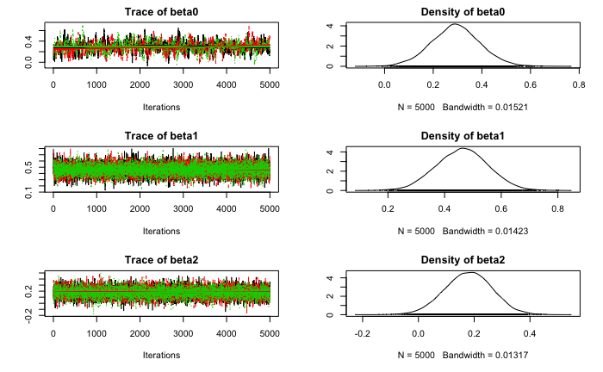
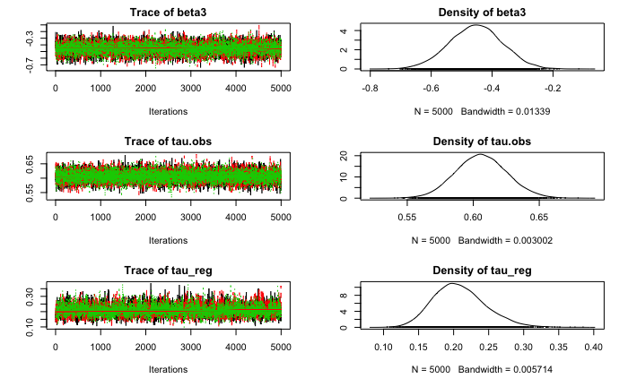
3 variable model: urban+ag+depth

|**************************************************| 100%
beta0 beta1 beta2 beta3 tau.obs tau_reg
Min. :-0.08028 Min. :0.1527 Min. :-0.1109 Min. :-0.036471 Min. :0.5199 Min. :0.09689
1st Qu.: 0.20974 1st Qu.:0.4243 1st Qu.: 0.1586 1st Qu.:-0.009961 1st Qu.:0.5800 1st Qu.:0.17484
Median : 0.27862 Median :0.4858 Median : 0.2166 Median :-0.004334 Median :0.5923 Median :0.19838
Mean : 0.27866 Mean :0.4861 Mean : 0.2166 Mean :-0.004385 Mean :0.5928 Mean :0.20053
3rd Qu.: 0.34658 3rd Qu.:0.5474 3rd Qu.: 0.2741 3rd Qu.: 0.001297 3rd Qu.:0.6054 3rd Qu.:0.22291
Max. : 0.66488 Max. :0.8304 Max. : 0.5464 Max. : 0.030873 Max. :0.6676 Max. :0.36744
|**************************************************| 100%
Mean deviance: 1593626
penalty 83.37
Penalized deviance: 1593709

3 variable model: urban + ag + forest

|**************************************************| 100%
beta0 beta1 beta2 beta3 tau.obs tau_reg
Min. :-0.07632 Min. :0.1259 Min. :-0.1881 Min. :-0.7620 Min. :0.5305 Min. :0.09725
1st Qu.: 0.22626 1st Qu.:0.4007 1st Qu.: 0.1224 1st Qu.:-0.5122 1st Qu.:0.5931 1st Qu.:0.18246
Median : 0.29217 Median :0.4633 Median : 0.1803 Median :-0.4526 Median :0.6059 Median :0.20580
Mean : 0.29248 Mean :0.4626 Mean : 0.1792 Mean :-0.4534 Mean :0.6062 Mean :0.20874
3rd Qu.: 0.35786 3rd Qu.:0.5243 3rd Qu.: 0.2368 3rd Qu.:-0.3956 3rd Qu.:0.6190 3rd Qu.:0.23188
Max. : 0.72248 Max. :0.8052 Max. : 0.5091 Max. :-0.1019 Max. :0.6833 Max. :0.38479
|**************************************************| 100%
Mean deviance: 12217
penalty 83.08
Penalized deviance: 12300

2 variables
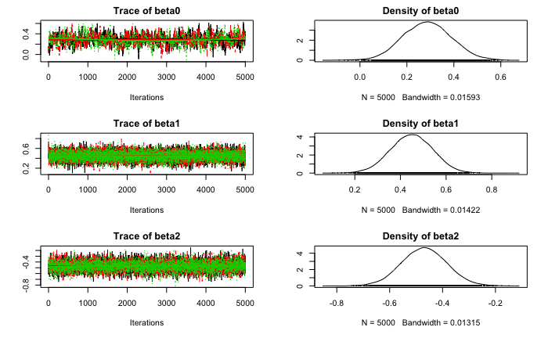
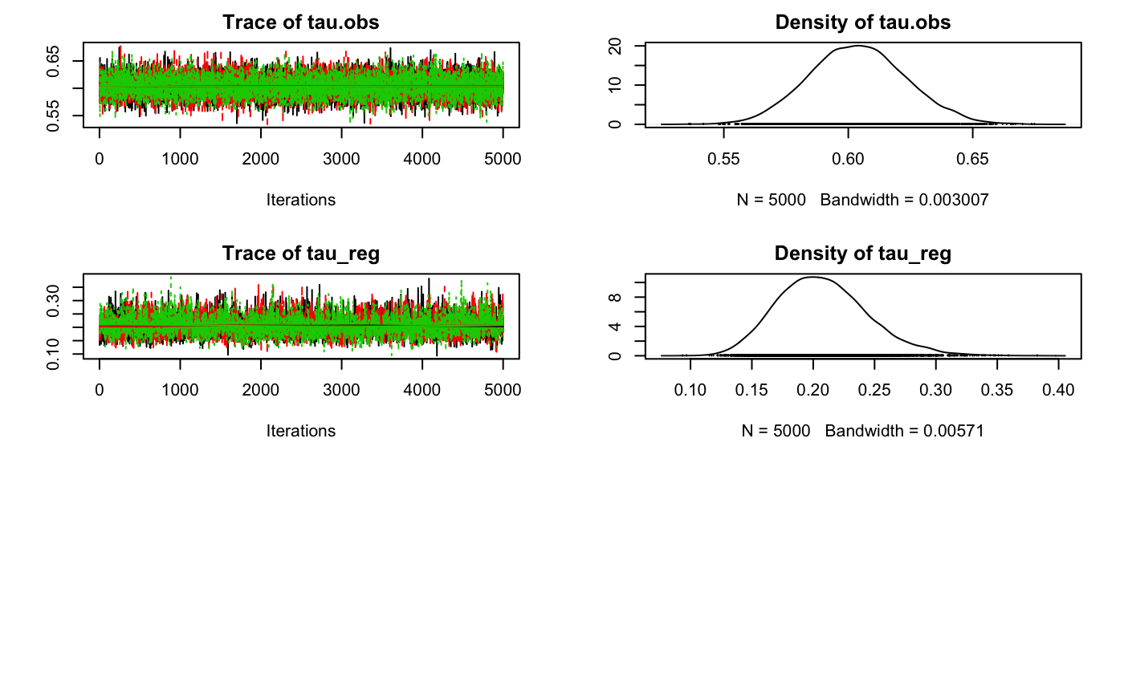
2 variable model; urban + resT

|**************************************************| 100%
beta0 beta1 beta2 tau.obs tau_reg
Min. :-0.1200 Min. :0.09507 Min. :0.009082 Min. :0.5303 Min. :0.08363
1st Qu.: 0.2077 1st Qu.:0.41502 1st Qu.:0.029642 1st Qu.:0.5847 1st Qu.:0.17328
Median : 0.2755 Median :0.47786 Median :0.034050 Median :0.5977 Median :0.19539
Mean : 0.2739 Mean :0.47780 Mean :0.033969 Mean :0.5979 Mean :0.19753
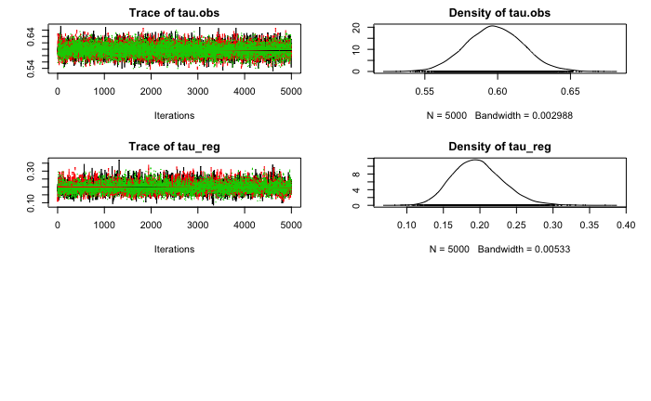
3rd Qu.: 0.3399 3rd Qu.:0.54069 3rd Qu.:0.038234 3rd Qu.:0.6110 3rd Qu.:0.21938
Max. : 0.6063 Max. :0.83113 Max. :0.061040 Max. :0.6729 Max. :0.37136
|**************************************************| 100%
Mean deviance: 2152697
penalty 83.48
Penalized deviance: 2152781

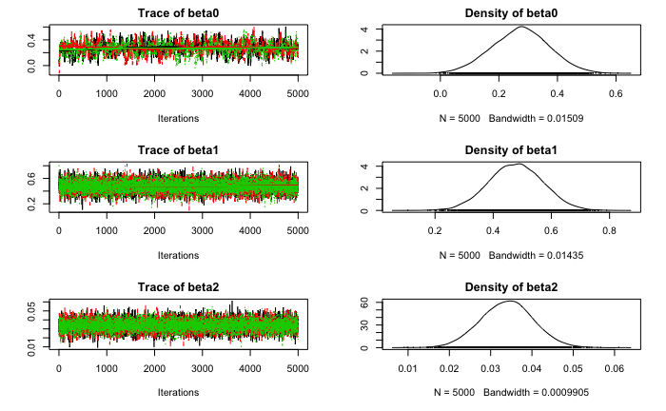

2 variable model: urban + temp

|**************************************************| 100%
beta0 beta1 beta2 tau.obs tau_reg
Min. :-0.1207 Min. :0.02923 Min. :0.01818 Min. :0.5241 Min. :0.09723
1st Qu.: 0.2288 1st Qu.:0.40407 1st Qu.:0.03782 1st Qu.:0.5869 1st Qu.:0.18709
Median : 0.3008 Median :0.46497 Median :0.04240 Median :0.5999 Median :0.21111
Mean : 0.2980 Mean :0.46607 Mean :0.04238 Mean :0.5999 Mean :0.21401
3rd Qu.: 0.3692 3rd Qu.:0.52811 3rd Qu.:0.04692 3rd Qu.:0.6128 3rd Qu.:0.23772
Max. : 0.7391 Max. :0.88639 Max. :0.07113 Max. :0.6780 Max. :0.40734
|**************************************************| 100%
Mean deviance: 3417849
penalty 83.61
Penalized deviance: 3417932
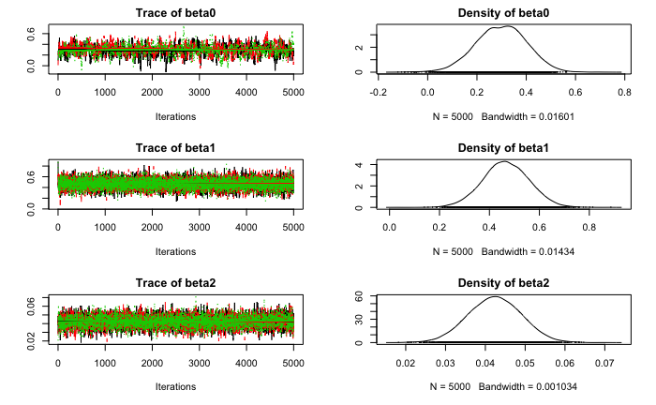
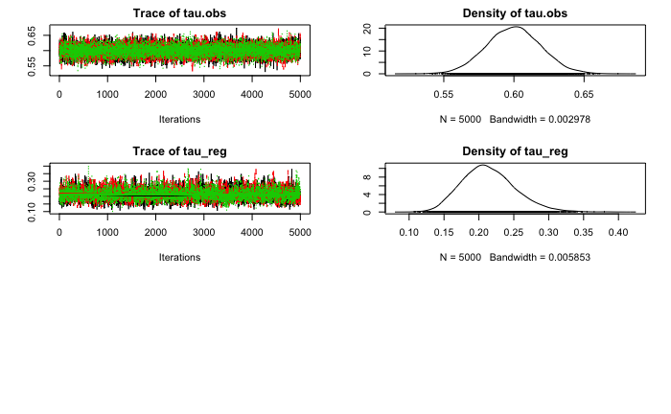

2 variable model: urban + depth

|**************************************************| 100%
beta0 beta1 beta2 tau.obs tau_reg
Min. :-0.1206 Min. :0.1165 Min. :-0.034587 Min. :0.5145 Min. :0.08453
1st Qu.: 0.2069 1st Qu.:0.4080 1st Qu.:-0.010111 1st Qu.:0.5765 1st Qu.:0.17330
Median : 0.2744 Median :0.4692 Median :-0.004669 Median :0.5893 Median :0.19637
Mean : 0.2753 Mean :0.4697 Mean :-0.004578 Mean :0.5895 Mean :0.19883
3rd Qu.: 0.3425 3rd Qu.:0.5314 3rd Qu.: 0.001010 3rd Qu.:0.6023 3rd Qu.:0.22108
Max. : 0.6501 Max. :0.8478 Max. : 0.027421 Max. :0.6635 Max. :0.37439
|**************************************************| 100%
Mean deviance: 1591355
penalty 83.54
Penalized deviance: 1591438

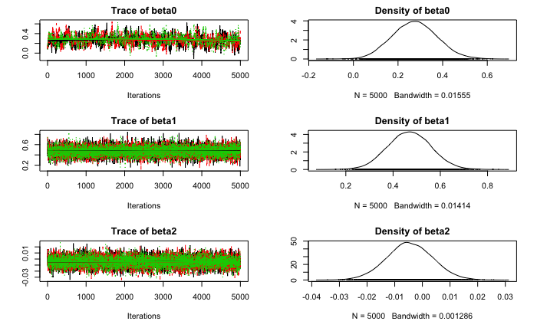
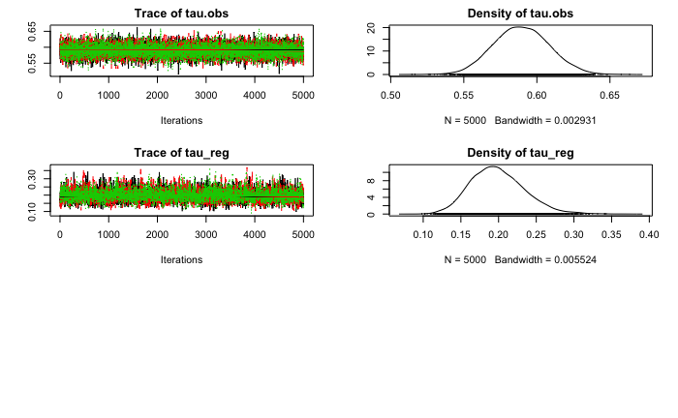

2 variables: urban + lat

|**************************************************| 100%
beta0 beta1 beta2 tau.obs tau_reg
Min. :-0.1031 Min. :0.0818 Min. :-0.194386 Min. :0.5244 Min. :0.1145
1st Qu.: 0.2254 1st Qu.:0.4093 1st Qu.:-0.129612 1st Qu.:0.5836 1st Qu.:0.2044
Median : 0.2919 Median :0.4710 Median :-0.116335 Median :0.5964 Median :0.2313
Mean : 0.2922 Mean :0.4714 Mean :-0.116317 Mean :0.5966 Mean :0.2345
3rd Qu.: 0.3596 3rd Qu.:0.5337 3rd Qu.:-0.103174 3rd Qu.:0.6092 3rd Qu.:0.2608
Max. : 0.6591 Max. :0.8710 Max. : 0.004679 Max. :0.6819 Max. :0.4243
|**************************************************| 100%
Mean deviance: 3076135
penalty 82.79
Penalized deviance: 3076218
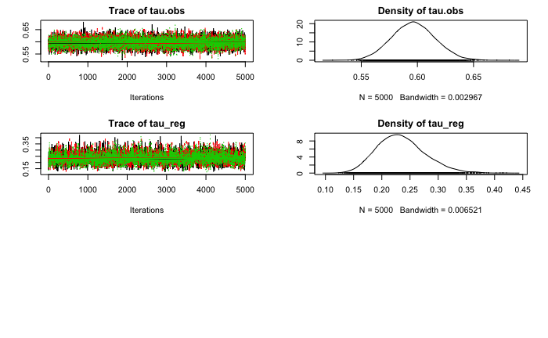
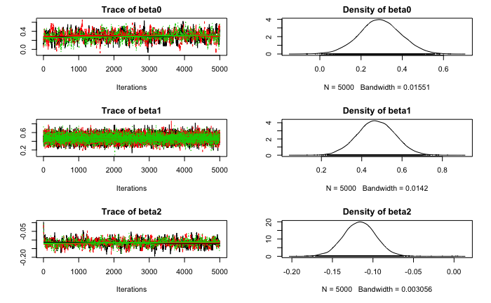

2 variables: urban + ag

|**************************************************| 100%
beta0 beta1 beta2 tau.obs tau_reg
Min. :-0.09577 Min. :0.08908 Min. :-0.1490 Min. :0.5232 Min. :0.1011
1st Qu.: 0.21577 1st Qu.:0.42566 1st Qu.: 0.1602 1st Qu.:0.5804 1st Qu.:0.1758
Median : 0.28718 Median :0.48844 Median : 0.2187 Median :0.5932 Median :0.1988
Mean : 0.28647 Mean :0.48734 Mean : 0.2188 Mean :0.5934 Mean :0.2013
3rd Qu.: 0.35674 3rd Qu.:0.54833 3rd Qu.: 0.2759 3rd Qu.:0.6060 3rd Qu.:0.2244
Max. : 0.67231 Max. :0.82792 Max. : 0.6069 Max. :0.6756 Max. :0.3917
|**************************************************| 100%
Mean deviance: 7215
penalty 82.51
Penalized deviance: 7297

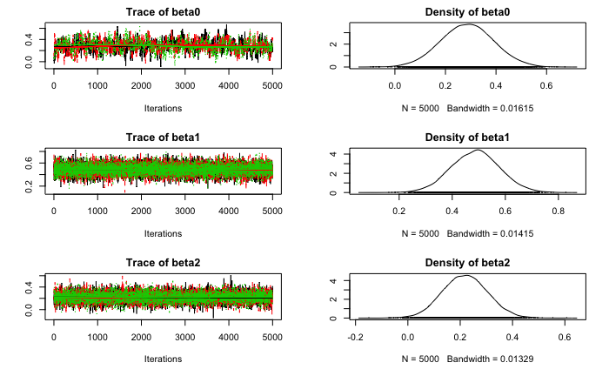
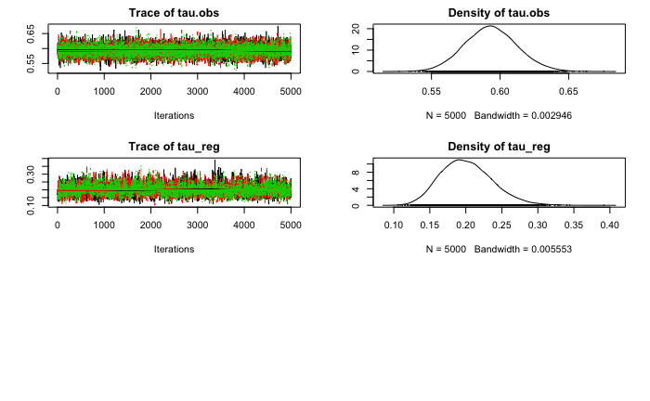

2 variables: urban + forest

|**************************************************| 100%
beta0 beta1 beta2 tau.obs tau_reg
Min. :-0.1116 Min. :0.1013 Min. :-0.8145 Min. :0.5340 Min. :0.09354
1st Qu.: 0.2157 1st Qu.:0.3874 1st Qu.:-0.5266 1st Qu.:0.5905 1st Qu.:0.18140
Median : 0.2863 Median :0.4493 Median :-0.4696 Median :0.6036 Median :0.20527
Mean : 0.2865 Mean :0.4490 Mean :-0.4693 Mean :0.6038 Mean :0.20772
3rd Qu.: 0.3552 3rd Qu.:0.5123 3rd Qu.:-0.4122 3rd Qu.:0.6166 3rd Qu.:0.23079
Max. : 0.6309 Max. :0.8780 Max. :-0.1493 Max. :0.6781 Max. :0.38816
|**************************************************| 100%
Mean deviance: 9942
penalty 82.94
Penalized deviance: 10025

1 variable
1 variable model; urban

|**************************************************| 100%
beta0 beta1 tau.obs tau_reg
Min. :-0.1096 Min. :0.1051 Min. :0.5190 Min. :0.08976
1st Qu.: 0.2051 1st Qu.:0.4117 1st Qu.:0.5771 1st Qu.:0.17327
Median : 0.2743 Median :0.4718 Median :0.5896 Median :0.19508
Mean : 0.2741 Mean :0.4727 Mean :0.5897 Mean :0.19789
3rd Qu.: 0.3438 3rd Qu.:0.5344 3rd Qu.:0.6024 3rd Qu.:0.21997
Max. : 0.6831 Max. :0.8306 Max. :0.6702 Max. :0.38284
|**************************************************| 100%
Mean deviance: 4943
penalty 82.3
Penalized deviance: 5026

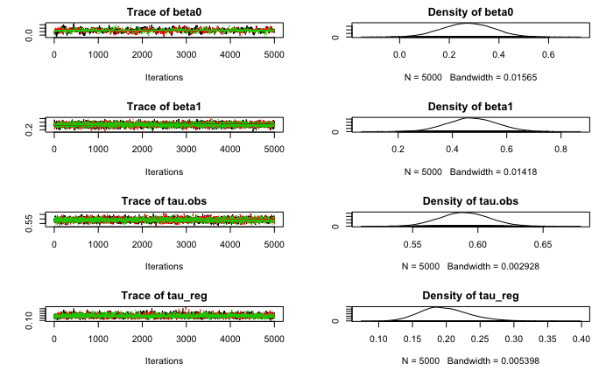

1 variable model: ag

Null model
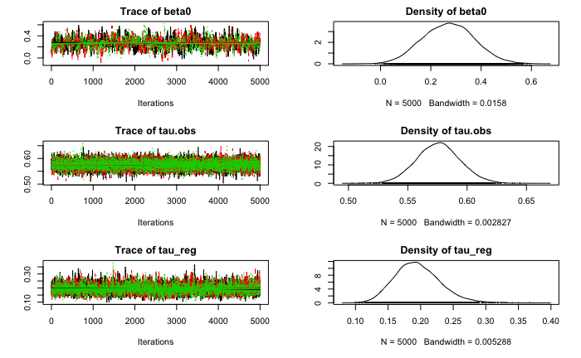
|**************************************************| 100%
beta0 tau.obs tau_reg
Min. :-0.1059 Min. :0.5030 Min. :0.09507
1st Qu.: 0.1989 1st Qu.:0.5635 1st Qu.:0.17089
Median : 0.2709 Median :0.5758 Median :0.19278
Mean : 0.2703 Mean :0.5758 Mean :0.19497
3rd Qu.: 0.3396 3rd Qu.:0.5879 3rd Qu.:0.21663
Max. : 0.6287 Max. :0.6618 Max. :0.38351
|**************************************************| 100%
Mean deviance: 7017
penalty 81.87
Penalized deviance: 7099

